Graphs
 | AXLE LOAD DATA ANALYSIS (KAMPALA - ENTEBBE HIGHWAY)
Load Description (Kampala-Entebbe Highway)
Truck Composition for Kampala - Entebbe Highway
Vehicle Categories |  |  |  |  |  | Load Description
 | Truck Type | Kampala-Entebbe | Entebbe-Kampala | Both Directions |  | Category | Kampala-Entebbe | Entebbe-Kampala
7 | Light/Medium Trucks | 386 | 245 | 631 |  | Agricultural produce | 5.7% | 5.3%
9 | Heavy Trucks | 57 | 48 | 105 |  | Perishable | 0.0% | 0.0%
10 | Truck/Trailer | 68 | 66 | 134 |  | Construction Material | 27.2% | 8.1%
 | Totals | 511 | 359 | 870 |  | Metal/machinery | 2.0% | 0.6%
 |  |  |  |  |  | Forestry products | 0.0% | 0.0%
 |  |  |  |  |  | Fuels | 3.9% | 0.8%
 |  |  |  |  |  | Chemical Products | 0.2% | 2.2%
 |  |  |  |  |  | Livestock | 0.8% | 0.6%
 |  |  |  |  |  | Household retail products | 12.7% | 6.7%
 |  |  |  |  |  | Empty | 15.7% | 58.8%
 |  |  |  |  |  | Others | 31.7% | 16.4%
 |  |  |  |  |  | Total | 511 | 359

Average Truck Loading (Kampala - Entebbe Higwhay)
Average Total Loading (Tonnes)
 | Truck Type | Kampala-Entebbe | Entebbe-Kampala | Both Directions | Limit
7 | Light/Medium Trucks | 8.1 | 10.7 | 9.4 | 18
9 | Heavy Trucks | 26.7 | 20.0 | 23.3 | 27
10 | Truck/Trailer | 55.9 | 29.8 | 42.8 | 54
 | Totals

 |  |  |  |  |  | Proportion of Overloaded Trucks
 |  |  |  |  |  |  | Truck Type | Kampala-Entebbe | Entebbe-Kampala | Both Directions
 |  |  |  |  |  |  | 0-4.9% | 81.0% | 85.5% | 83.3%
 |  |  |  |  |  |  | 5-25% | 3.7% | 5.6% | 4.6%
 |  |  |  |  |  |  | 25-50% | 3.9% | 4.5% | 4.2%
 |  |  |  |  |  |  | Over 50% | 11.4% | 4.5% | 7.9%
Percentage By Which Vehicles Are Overloaded (Kampala-Entebbe)
 |  |  |  |  |  |  |  | 511 | 359

Average Proportion of Overloaded Trucks (Kampala-Entebbe)
Proportion of Overloaded Trucks
 | Truck Type | Kampala-Entebbe | Entebbe-Kampala | Both Directions
7 | Light/Medium Trucks | 6.2% | 19.2% | 12.7%
9 | Heavy Trucks | 36.8% | 20.8% | 28.8%
10 | Truck/Trailer | 88.2% | 12.1% | 50.2%
 | Overall | 20.5% | 18.1%

KEY
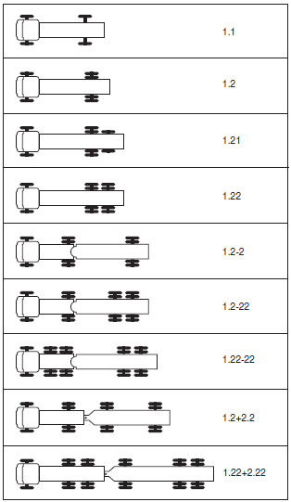
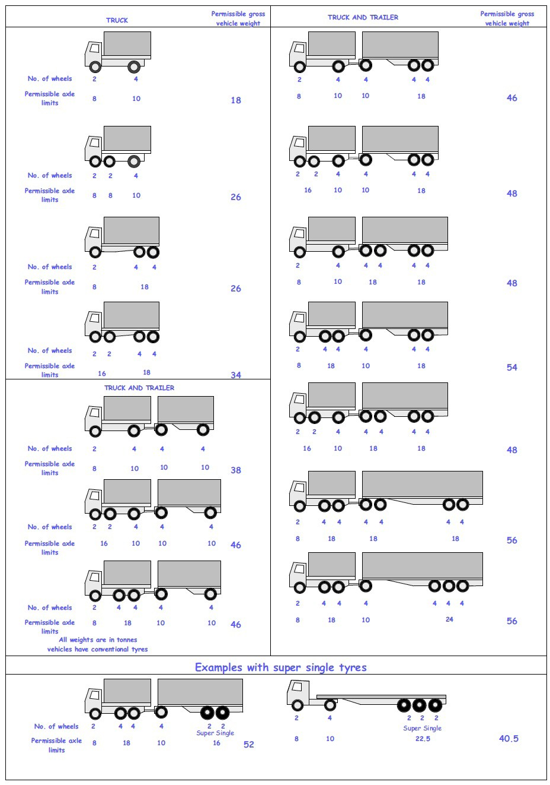
 |  |  |  |  | Axle Configuration
TRUCK TYPES |  |  |  |  | 2-Axles | 2-Axles | 3-Axle | 4-Axle | 5-Axle | 6-Axle | 7-Axle

7 | LIGHT SINGLE UNIT TRUCK-DYNAS AND TRACTORS(2 axles) |  |  |  | 1.1 | 1.2
8 | LIGHT/MEDIUM SINGLE UNIT TRUCKS (3 axles) |  |  |  |  |  | 1.22
9 | MEDIUM - SINGLE UNIT TRUCKS-LORRIES, FUSOS (4 axles) |  |  |  |  |  |  | 1.1-22
 |  |  |  |  |  |  |  | 1.222

10 | HEAVY TRUCK RIGID (5 axles) |  |  |  |  |  |  |  | 1.1-222
 |  |  |  |  |  |  |  |  | 1.2-222
 |  |  |  |  |  |  |  |  | 1.22-22
11 | TRUCK TRAILER AND SEMI TRAILER (6 axles) |  |  |  |  |  |  |  |  | 1.12-222
 |  |  |  |  |  |  |  |  |  | 1.22-222
 |  |  |  |  |  |  |  |  |  | 1.22+1-22
 |  |  |  |  |  |  |  |  |  | 1.22+2-22
 |  |  |  |  |  |  |  |  |  | 1.21-222
 |  |  |  |  |  |  |  |  |  | 1.22-111
12 | TRUCK TRAILER TYPE 2 (7 axles) |  |  |  |  |  |  |  |  |  | 1.11+11-11
 |  |  |  |  |  |  |  |  |  |  | 1.22+22-22
 |  |  |  |  |  |  |  |  |  |  | 1.12+11-22

 | 7. Light Truck
 | 8. Medium Truck
 | 9. Heavy truck
 | 10. Truck Trailer

 | 1*1 | Light Truck | 7 | 18
 | 1*2 | Light Truck | 7 | 18
 | 1*21 | Medium Truck | 8 | 26
 | 1*22 | Heavy Truck | 9 | 26
 | 1*2*2 | Truck Trailer | 10 | 46
 | 1*2*22 | Truck Trailer | 10 | 46
 | 1*22-22 | Truck Trailer | 10 | 46
 | 1*2*2*2 | Truck Trailer | 10 | 46
 | 1*22*2*22 | Truck Trailer | 10 | 46
 | 11*22 | Heavy Truck | 9 | 34

